Sheet1
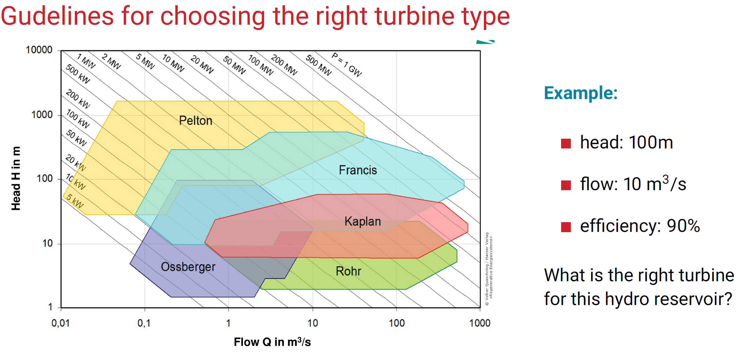
Variables | Value | Unit
H | 100 | m
Q | 10 | m³/s

Type | Francis

